OFFER
 |  |  | EXW EU / TAKE ALL

 |  |  | 1000 | 99.90 € | 99,900.00 €

PHOTO | ARTICLE | DESCRIPTION | N° PCS | RRP | TTL RRP
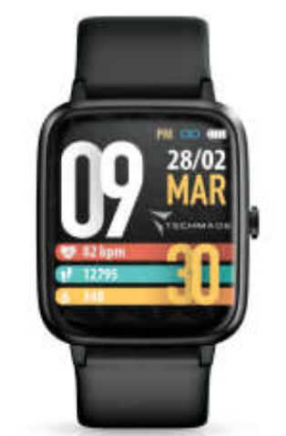 |  | SMARTWATCH Sport GPS integrated | 1000 | 99.90 € | 99,900.00 €

Colour: black
Bluetooth 5.0
GPS integrated
Battery: 210mAh
Dimension: 250x37x12mm
Weight: 40grs
Compatibility: iOS 9.0 or above, Android 5.0 or above
Functions: Wakeup, distance, cronometer, sleep monitor, sedentary reminder, sport, wrist sense, music remote, period recap.

